Instructions
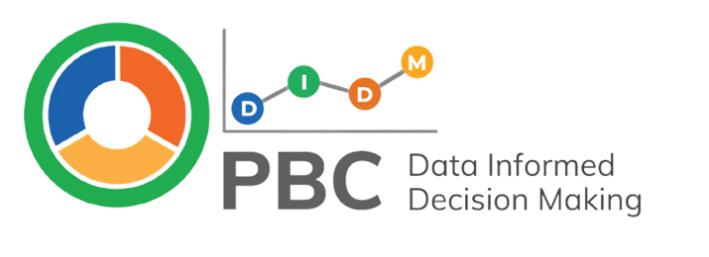

What is the PBC-DIDM Data Mapping Tool?
The PBC-DIDM Data Mapping Tool is one way Leadership Teams and Coaches can record their current Sources of Effort and Effect Data, including key information about who is responsible for collecting, preparing, and sharing the data with others. When measure revisions are identified, or additional sources of data are needed Leadership Teams and Coaches might use the PBC-DIDM Data Mapping Tool to facilitate important conversations about when and how new sources of information will be used. The PBC-DIDM Data Mapping Tool also includes a data collection schedule to help Teams think about and plan for when they will collect each source of effort and effect data. This tool is typically reviewed in detail once a year by the Leadership Team. Then, the Lead Coach or designated member of the Team reviews the Dara Mapping Tool prior to each Leadership Team Meeting to address specific needs.
Click here to learn more about identifying Sources of Effort and Effect Data on the website: pbcdidm.com

How does the PBC-DIDM Data Mapping Tool support other parts of the PBC-DIDM Model?
The PBC-DIDM Data Mapping Tool is aligned with the roles in the PBC-DIDM Implementation Profile (i.e., Leadership, Coaches, and Practitioners). Within each tier of the Profile (i.e., Foundational, Initial, Mid, and Advanced) the indicators contain recommended sources of effort and effect data and processes for when and how these data sources might be collected and reviewed. The PBC-DIDM Data Mapping tool is one way to organize information about which sources of effort and effect data the program already collects and what additional sources of data might be needed. | 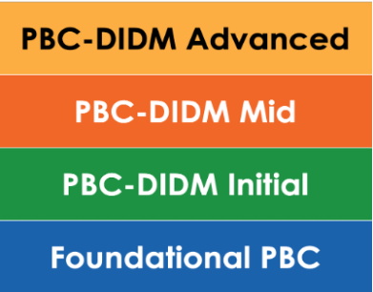
Click here to learn more about the Implementation Profile on the website: pbcdidm.com

The PBC-DIDM Data Mapping Tool is aligned with the levels of the PBC-DIDM Effort and Effect Cascade (i.e., Leadership, Coaches, Practitioners, and Families). Each of the Cascade levels has an effect on outcomes at another level (e.g., the effects of Coach efforts on Practitioners’ use of practices or Practitioner efforts on child outcomes in a classroom setting). The Cascade supports Leadership Teams, Coaches, and other key stakeholders to identify how effort and effect data are connected and the PBC-DIDM Data Mapping Tool can be used to record the sources of effort and effect data, including when, how, and by whom the data will be collected and prepared. | 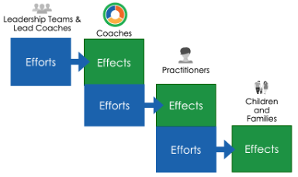
Click here to learn more about the Effort and Effect Cascade on the website: pbcdidm.com

The PBC-DIDM Data Mapping Tool is aligned with the Prepare part of the Prepare-Look-Think-Act (PLTA) Process which guides Leadership Teams, Coaches, and other key stakeholders to use effort and effect data and other sources of information to make data-informed decisions. One way the Teams or Coaches might Act after engaging in the PLTA Process is to identify revisions to existing sources of effort and effect data or the identification of new measures of effort and effect. The Data Mapping Tool is one way to record revisions or to plan for when, how, and by whom new sources of data will be collected. | 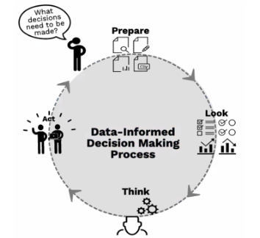
Click here to learn more about the Prepare-Look-Think-Act Process on the website: pbcdidm.com

How Use the PBC-DIDM Data Mapping Tool
The steps below are aligned with the PLTA Process for data-informed decision making. Use these steps and the Example tabs to guide your program in using the PBC-DIDM Data Mapping Tool. | Let's get started!
Step 1 Prepare a list of the current measure used to collect data within your program. Then identify where to record them on the "Data Mapping Tool" tab by considering which header listed below is most aligned with the data source. PBC-DIDM Data Mapping Tool Headers: • Program Leadership & Lead PBC Coach Efforts to Support Coaches • Coach Efforts to Support Practitioners (Effect of Leadership/Lead PBC Coach Efforts) • Practitioner Efforts to Support Children & Families (Effect of PBC Coach Efforts) • Child & Family Outcomes (Effect of Coach Efforts)
Click Here to see a Data Mapping Tool Example with mock information from another program.
Click here to begin filling out the Data Mapping Tool for your program.
Step 2 Look at, Think about, and discuss the prompts in each column of the "Data Mapping Tool" tab to clarify and verify current processes for when, how, and by whom current sources of effort and effect data are collected and prepared.
Step 3 Look at, Think about, and discuss the indicators on the PBC-DIDM Implementation Profile aligned to the program's current tier (i.e., Foundational, Initial, Mid, Advanced) and PBC-DIDM implementation goals. Identify if there are recommended sources of effort and effect data or processes not currently in place within the program. Discuss possible Actions the Team might want to take. For example, if the Team rates indicator "FL4. A systematic way to collect quantitative information about Coaches’ use of the PBC framework and essential strategies (e.g., PBC log or checklist)" as 0 - Not yet in place. They might take action by adopting or developing a PBC Log or Checklist for coaches to document their coaching efforts. The Team could us this PBC-DIDM Data Mapping Tool to think about when and how this new source of information would be collected, summarized, and analyzed. | 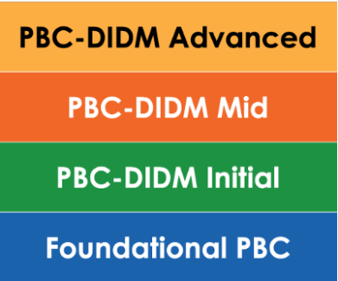
Click here to learn more about the PBC-DIDM Implementation Profile on the website: pbcdidm.com
Step 4 Decide on the Actions the team will take to maintain or enhance the current effort and effect data sources that are being collected. Record these decisions and planned actions in shared location where the actions can be reviewed by the team in the future. Teams might choose to record this information on the "Action Plan" tab in this PBC-DIDM Data Mapping Tool.
Click here to see an Action Plan Example with mock information from another program
Click here to begin filling out the Action Plan for your program.
Use the "Schedule" tab or another program developed too to support the team to communicate the plan for collecting effort and effect data. The schedule can help the Team confirm their plan is feasible given their available resources and commitments. Information from the "Data Mapping Tool" tab is automatically populated in columns A to E of the "Schedule" tab.
Click here to see a Schedule Example with mock information from another program
Click here to begin filling out the Schedule for your program.
Organize your data! Name a copy of this file: ProgramID-DMT-mm.dd.yyyy PBC-DIDM Data Mapping Tool (Version 2.0). Produced by the “Practice-based Coaching Data-Informed Decision Making” model demonstration project funded by the Office of Special Education Programs (#H326M200021, Project Officer: Anita Vermeer). Contents do not necessarily represent the policy of the Department of Education, and you should not assume endorsement by the Federal Government.
For use under Creative Commons license: BY-NC-ND.
For more information, contact pbcdidm@coe.ufl.edu

