Instructions
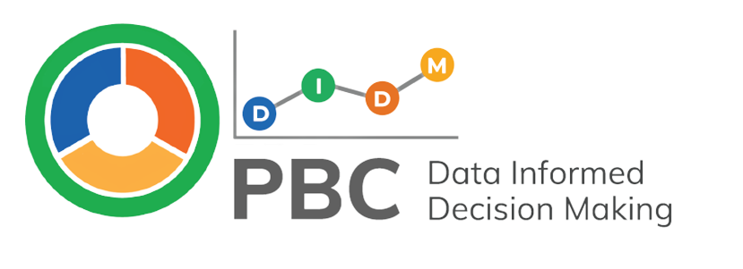

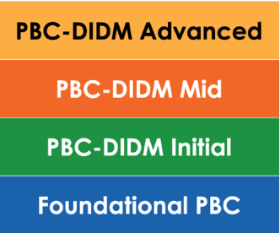
What is the PBC-DIDM Implementation Profile?
The PBC-DIDM Implementation Profile supports Leadership Teams and Coaches to reflect on their current implementation of PBC-DIDM, including PBC, and helps them to identify PBC-DIDM strengths, needs, and goals to enhance implementation.
Click here to learn more about the PBC-DIDM Implementation Profile on the website: pbcdidm.com

How does the PBC-DIDM Implementation Profile support other parts of the PBC-DIDM Model?
The PBC-DIDM Implementation Profile is aligned with the roles in the PBC-DIDM Data Mapping Tool (i.e., Leadership, Coaches, and Practitioners) and can help programs to identify Sources of Effort and Effect Data. Within each tier of the Profile (i.e., Foundational, Initial, Mid, and Advanced). The Profile indicators contain recommended sources of effort and effect data and processes for when and how these data sources might be collected and reviewed. The Profile is one way to verify the sources of effort and effect data the program already collects and to identify additional sources of data that might be needed. | 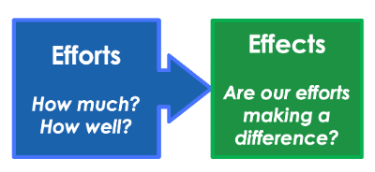
Click here to learn more about Sources of Effort and Effect Data on the website: pbcdidm.com

The PBC-DIDM Implementation Profile is aligned with the levels of the PBC-DIDM Effort and Effect Cascade (i.e., Leadership, Coaches, Practitioners). Each of the Cascade levels has an effect on outcomes at another level (e.g., the effects of Coach efforts on Practitioners’ use of practices or Practitioner efforts on child outcomes). The Cascade supports Leadership Teams, Coaches, and other key stakeholders to identify how effort and effect data are connected and the PBC-DIDM Implementation Profile can be used to guide programs in the identification of effort and effect data sources they already collect or might want to collect in the future. | 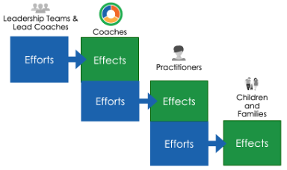
Click here to learn more about the Effort and Effect Cascade on the website: pbcdidm.com

The PBC-DIDM Implementation Profile includes indicators that prompt the team to engage in the Prepare-Look-Think-Act (PLTA) Process which guides Leadership Teams, Coaches, and other key stakeholders to use effort and effect data and other sources of information to make data-informed decisions. One action that might result from engaging in the PLTA Process is to identify revisions to existing sources of effort and effect data, the identification of new measures of effort and effect, or new processes that support the implementation of PBC-DIDM. | 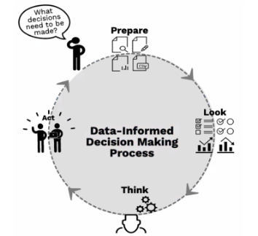
Click here to learn more about the Prepare-Look-Think-Act Process on the website: pbcdidm.com

How Use the PBC-DIDM Implementation Profile
The steps below are aligned with the PLTA Process for data-informed decision making. Use these steps to guide your program in using the PBC-DIDM Implementation Profile. | Let's get started!
Step 1 Prepare to facilitate the first Leadership Team Meeting where the Profile is introduced. Facilitators are encouraged to review the Facilitating Leadership Team Meetings Guide in the Resource Library before holding their first PBC-DIDM Leadership Team Meeting. Read through the Profile tabs and indicators to help navigate the tool during the meeting.
Click here to access the Resource Library on the website: pbcdidm.com
Step 2 Whether the Leadership Team meets in person, by video conference, or uses a hybrid format it is important to ensure all members of the team can see the PBC-DIDM Implementation Profile indicators. To use the Profile click on the tab that says "Profile." Look at, Think about, and discuss each of the Profile indicators to clarify and verify current tools and processes the program uses that are aligned with the implementation of PBC-DIDM. Begin with the Foundational PBC indicators (blue tier, rows 28-38 ). Rate the Leadership indicators in the column for Time 1 (column C). Start at the bottom with FL1 and work up to FL8. Then, rate the Coaching indicators in the column for Time 1 (column H). Start at the bottom with FC1 and work up to FC9. Finally, rate the Practitioner indicators in the column for Time 1 (column M). Start at the bottom with FP1 and work up to FP5. As you consider each indicator, use the phrase "We have..." (e.g., We have identified PBC format(s) to be used). To read the guidance for the indicator, click on the indicator text or go to the "Indicator Guidance" tab. Then, rate each indicators as: 2 = 'Yes, fully in place' - We have implemented all aspects of the indicator 1 = 'Partially in place' - We have begun to implement the indicator, but have room to grow 0 = 'Not yet started' - We have not had the opportunity to address this indicator yet
Tip! Building a strong foundation is key! For the success of PBC-DIDM, it is important to ensure all "PBC Foundational " indicators are fully or partially in place (i.e., rated as a 1 or 2) prior to moving into PBC-DIDM Initial Implementation indicators (green tier, rows 16-27). This guidance is true for all tiers of the Profile - ensure all indicators within the tier are rates as 1 or 2 before moving up to the next tier. If your program is currently supported by an external consultant to install PBC-DIDM, rate indicators as 2 = 'Yes, fully in place' when the indicator can be sustained without the external consultant. If the indicator is in place, but there is not a plan to sustain implementation without the external consultant rate as 1 = 'Partially in place.'
Step 3 On the "Profile" tab, Look at, Think about, and discuss the indicators on the PBC-DIDM Implementation Profile aligned to the program's current tier (i.e., Foundational, Initial, Mid, Advanced), priorities, and implementation goals. Discuss possible Actions the team might want to take. As needed, refer to the "Graphs" tab to view trends aligned with the Profile tiers (i.e., Foundational, Initial, Mid, Advanced) and roles (i.e., Leadership, Coach, Practitioner).
Step 4 Decide on the Actions the team will take to maintain or enhance their implementation of PBC-DIDM. Click on the "Goals" tab to record goal(s) related to your PBC-DIDM Implementation Profile Indicators. Select the tier and priority indicator(s) identified using the dropdown menus in Columns A and B. Then, type the action steps to be taken and timeline in Columns C and D - be sure to consider who will do what, by when, and any materials needed. Often these action steps include Coach Learning Experiences or other Coach responsibilities. It is important to coordinate with the Lead Coach(es) when planning for these experiences or other Coach responsibilities. Use the Progress Tracker dropdown menu in Column E to indicate progress over time and when each action step is complete.

Organize your data! Name the saved copy of this file: ProgramID-Profile-mm.dd.yyyy PBC-DIDM Implementation Profile (Version 2.0) - Produced by the “Practice-based Coaching Data-Informed Decision Making” model demonstration project funded by the Office of Special Education Programs (#H326M200021, Project Officer: Anita Vermeer). Contents do not necessarily represent the policy of the Department of Education, and you should not assume endorsement by the Federal Government.
For use under Creative Commons license: BY-NC-ND.
For more information, contact: pbcdidm@coe.ufl.edu

Graphs
The tables and graphs below are automatically Prepared based on the data entered in the Profile tab. They are designed to provide a snap shot of the Profile data over time. Remember, the percentages represent the portion of the indicators scored as 1 (Partially in place) and 2 (Fully in place). There are 62 indicators in all, but the number of indicators found in each tier and role are not equivalent. To see numeric counts of how many indicators were scored Yes, Partial, or No for each time, tier, and role go to the Profile tab and scroll down to rows 47-50. |  |  |  | 1. Look and Think Describe what you see. Identify strengths, needs, and priorities. Consider if other data are needed to inform decisions. |  |  |  | 2. Think Some More If any box in the tier is less than 100% demonstrating an indicator was scored 0 or 'Not yet in place' that indicator needs to be addressed before moving up to the next tier. |  |  |  | 3. Act Return to the Profile tab to identify the indicators that need to be addressed in the current tier. Select priority indicators to be the focus of the PBC-DIDM Implementation goal for the Leadership Team.

Time 1: 08.15.2024 | Leadership | Coach | Practitioner | Time 2: mm.dd.yyyy | Leadership | Coach | Practitioner | Time 3: mm.dd.yyyy | Leadership | Coach | Practitioner | Time 4: (mm/dd/yyyy) | Leadership | Coach | Practitioner
% PBC-DIDM Advanced | 0% | 0% | 0% | % PBC-DIDM Advanced | 0% | 0% | 0% | % PBC-DIDM Advanced | 0% | 0% | 0% | % PBC-DIDM Advanced | 0% | 0% | 0%
% of PBC-DIDM Mid | 0% | 0% | 0% | % of PBC-DIDM Mid | 0% | 0% | 0% | % of PBC-DIDM Mid | 0% | 0% | 0% | % of PBC-DIDM Mid | 0% | 0% | 0%
% of PBC-DIDM Initial | 0% | 0% | 0% | % of PBC-DIDM Initial | 0% | 0% | 0% | % of PBC-DIDM Initial | 0% | 0% | 0% | % of PBC-DIDM Initial | 0% | 0% | 0%
% of PBC Foundational | 0% | 0% | 0% | % of PBC Foundational | 0% | 0% | 0% | % of PBC Foundational | 0% | 0% | 0% | % of PBC Foundational | 0% | 0% | 0%
Leadership Total Rated 1 or 2: All Tiers
 | Leadership Total: All Tiers
Time 1: 08.15.2024 | 0%
Time 2: mm.dd.yyyy | 0%
Time 3: mm.dd.yyyy | 0%
Time 4: (mm/dd/yyyy) | 0%
Coaches Total Rated 1 or 2: All Tiers
 | Coaches Total: All Tiers
Time 1: 08.15.2024 | 0%
Time 2: mm.dd.yyyy | 0%
Time 3: mm.dd.yyyy | 0%
Time 4: (mm/dd/yyyy) | 0%
Practitioners Total Rated 1 or 2: All Tiers
 | Practitioners Total: All Tiers
Time 1: 08.15.2024 | 0%
Time 2: mm.dd.yyyy | 0%
Time 3: mm.dd.yyyy | 0%
Time 4: (mm/dd/yyyy) | 0%
TOTAL % of 62 Indicators Rated 1 or 2 Across Roles and Tiers
 | TOTAL % of 62 Indicators Across Roles and Tiers
Time 1: 08.15.2024 | 0.0%
Time 2: mm.dd.yyyy | 0.0%
Time 3: mm.dd.yyyy | 0.0%
Time 4: (mm/dd/yyyy) | 0.0%

